Sheet1
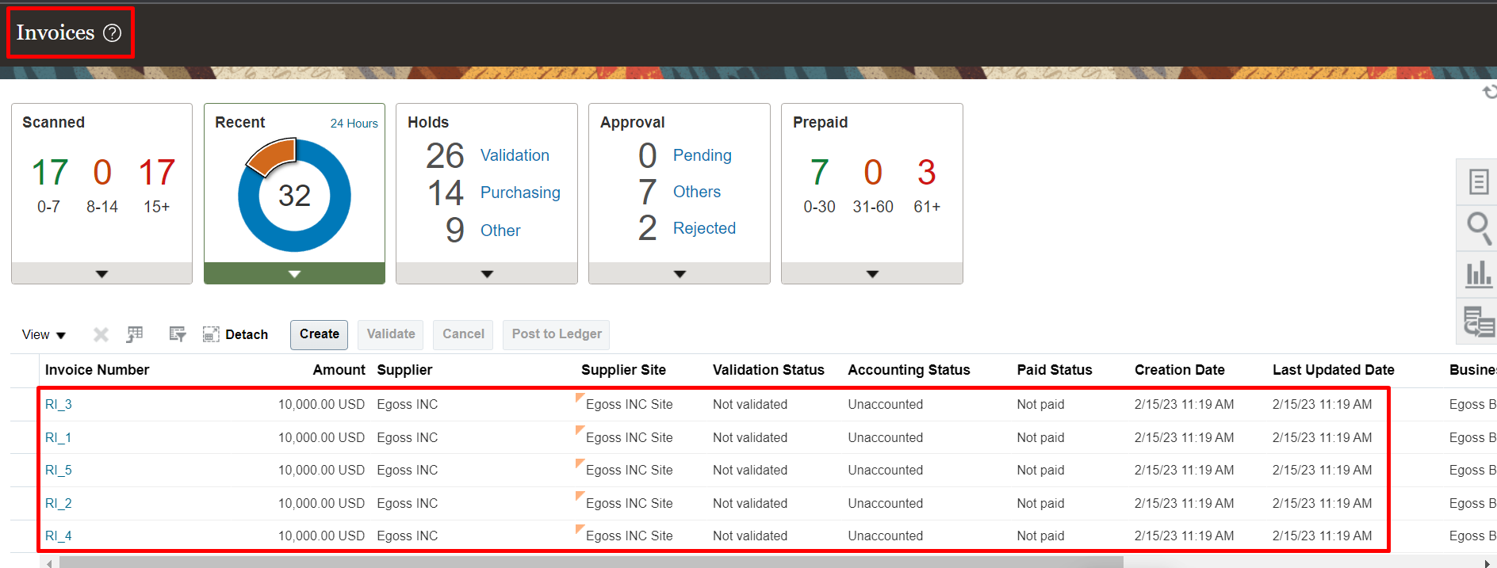
Recurring Invoices
Setups
1. Create Payables Calendar | Task | Manage Payables Calendars
2. Create Recurring Invoice Templates | Path | Payables >> Invoices >> Taskpane >> Create Recurring Invoices

Process
Scenerio
Here while creating the payables calendar select calendar type as general purpose. After creating the calendar clickon generate periods so system will create the calendar.
1. Create Recurring Invoices
2. Upload the template into the system
Note: System will create recurring invoices with suffix with _1, _2 etc.
Here we can see the source as recurring invoices
System will create recurring invoice with invoice type as standard.
Make sure to open GL and AP Periods.

Setups
1. Create Payables Calendar
Task: Manage Payables Calendar
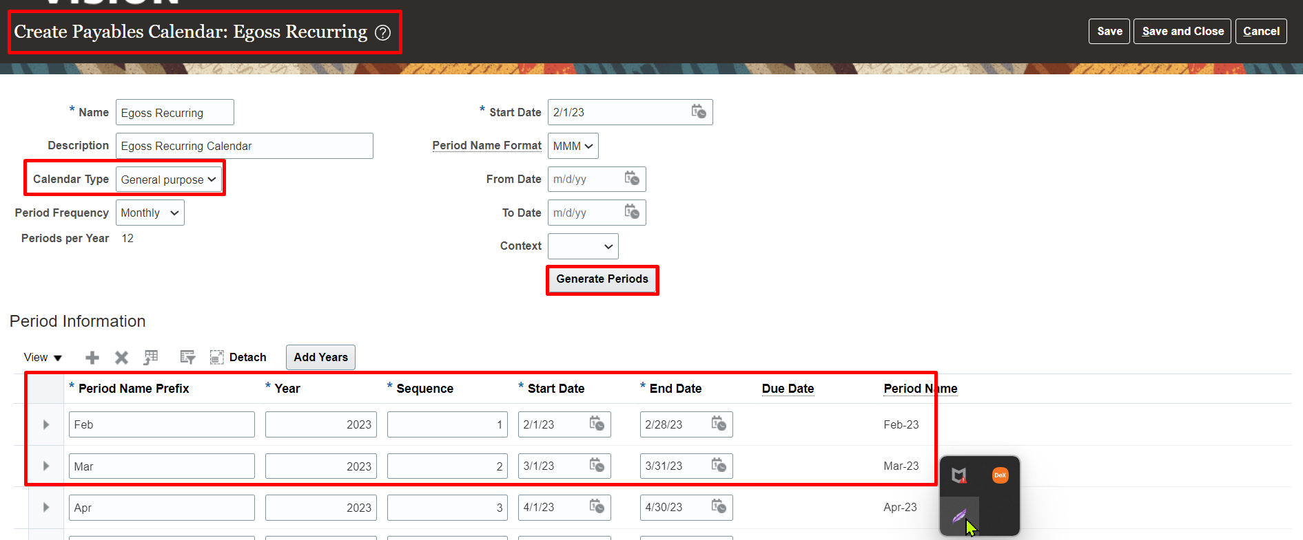

2. Create Recurring Invoice Templates
Path: Payables >> Invoices >> Taskpane >> Create Recurring Invoices

Process
1. Create Recurring Invoices
In Invoice workbench we can see the recurring invoices and the suffix as "_1,"_2,_3 etc., and source as "Recurring Invoice".
and invoice type is "Standard".

